Problem Statement
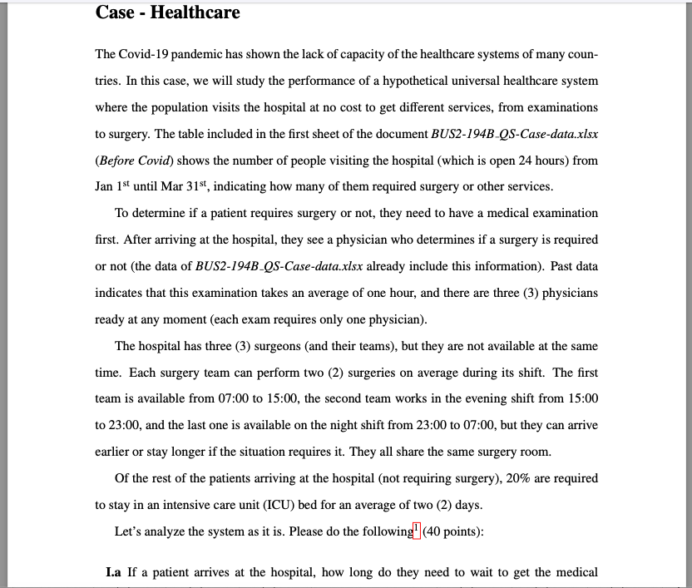

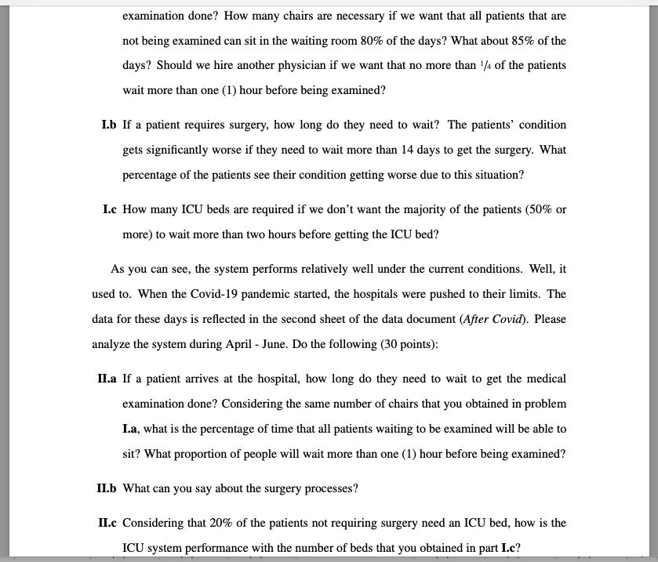

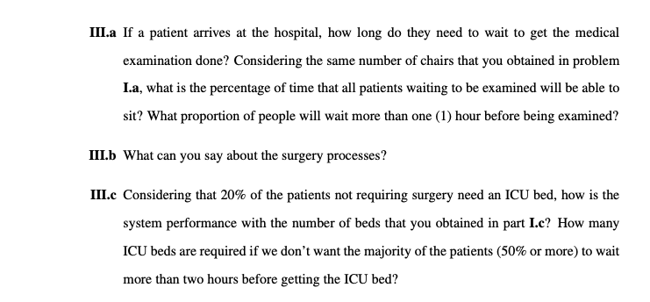

M|M|s I.a
Template for the M/M/s Queueing Model
 |  |  | Units in hours
 |  | Data |  |  | Results | Range Name | Cells
1 | l = | 2 | (mean arrival rate) | L = | 2.8888888889 | L | H4
2 | m = | 1 | (mean service rate) | Lq = | 0.88888888889 | Lambda | C4
2 | s = | 3 | (# servers) |  |  | Lq | H5
0 |  |  |  | W = | 1.4444444444 | Mu | C5
0 | Pr(W > t) = | 0.53138141503 |  | Wq = | 0.44444444444 | n | G13:G38
0 | when t = | 1 |  |  |  | P0 | H13
0 |  |  |  | r = | 0.66666666667 | Pn | H13:H38
0 | Prob(Wq > t) = | 0.16350197385 |  |  |  | Rho | H10
0 | when t = | 1 |  | n | Pn | s | C6
0 |  |  |  | 0 | 0.11111111111 | Time1 | C9
0 |  |  |  | 1 | 0.22222222222 | Time2 | C12
0 |  |  |  | 2 | 0.22222222222 | W | H7
0 |  |  |  | 3 | 0.14814814815 | Wq | H8
0 |  |  |  | 4 | 0.098765432099
0 |  |  |  | 5 | 0.065843621399
0 |  |  |  | 6 | 0.043895747599
0 |  |  |  | 7 | 0.029263831733
0 |  |  |  | 8 | 0.019509221155
0 |  |  |  | 9 | 0.013006147437
0 |  |  |  | 10 | 0.0086707649579
0 |  |  |  | 11 | 0.0057805099719
Question 1 | Waiting time in the system | 86.666666667 | minutes | 12 | 0.0038536733146
Question 2 | Since Po + P1 + P2 + P3 + P4 = 80%, 1 chair is necessary (Since the first 3 patients don't have to wait, we only need chair for patient 4) to fulfill the requirements that all patients that are not being examined can sit in the waiting room 80% of the days |  |  | 13 | 0.0025691155431
Question 3 | SInce Po + P1 + P2 + P3 + P4 + P5= 87%, 2 chairs are necessary to fulfill the requirements that all patients that are not being examined can sit in the waiting room 85% of the days |  |  | 14 | 0.0017127436954
Question 4 | With the given output, we can see that numbers of patients in the queue (Lq) are 0.89 and their probability of waiting more than one hour in the system is 53%, I would say it does not meet the current standard of having no more than 25% of patients waiting in the system more than one hour. Therefore, we should hire another physician. |  |  | 15 | 0.0011418291303
0 |  |  |  | 16 | 0.00076121942017
 |  |  |  | 17 | 0.00050747961345
 |  |  |  | 18 | 0.0003383197423
 |  |  |  | 19 | 0.00022554649487
 |  |  |  | 20 | 0.00015036432991
 |  |  |  | 21 | 0.00010024288661
 |  |  |  | 22 | 6.6828591071E-05
 |  |  |  | 23 | 4.4552394048E-05
 |  |  |  | 24 | 2.9701596032E-05
 |  |  |  | 25 | 1.9801064021E-05

M|M|s I.b
Template for the M/M/s Queueing Model
 |  |  | Units in days
 |  | Data |  |  | Results | Range Name | Cells
1 | l = | 5.88 | (mean arrival rate) | L = | 49 | L | H4
0 | m = | 6 | (mean service rate) | Lq = | 48.02 | Lambda | C4
0 | s = | 1 | (# servers) |  |  | Lq | H5
0 |  |  |  | W = | 8.3333333333 | Mu | C5
0 | Pr(W > t) = | 0.18637397604 |  | Wq = | 8.1666666667 | n | G13:G38
0 | when t = | 14 |  |  |  | P0 | H13
0 |  |  |  | r = | 0.98 | Pn | H13:H38
0 | Prob(Wq > t) = | 0.18264649652 |  |  |  | Rho | H10
0 | when t = | 14 |  | n | Pn | s | C6
0 |  |  |  | 0 | 0.02 | Time1 | C9
0 |  |  |  | 1 | 0.0196 | Time2 | C12
0 |  |  |  | 2 | 0.019208 | W | H7
0 |  |  |  | 3 | 0.01882384 | Wq | H8
0 |  |  |  | 4 | 0.0184473632
0 |  |  |  | 5 | 0.018078415936
0 |  |  |  | 6 | 0.017716847617
0 |  |  |  | 7 | 0.017362510665
0 |  |  |  | 8 | 0.017015260452
0 |  |  |  | 9 | 0.016674955243
0 |  |  |  | 10 | 0.016341456138
0 |  |  |  | 11 | 0.016014627015
Question 1 | Waiting time in the queue | 8.1666666667 | days | 12 | 0.015694334475
Question 2 | We can see that about 18% of 48 patients (Lq) will have to wait more than 14 days in the queue to get the surgery |  |  | 13 | 0.015380447785
 |  |  |  | 14 | 0.015072838829
 |  |  |  | 15 | 0.014771382053
0 |  |  |  | 16 | 0.014475954412
 |  |  |  | 17 | 0.014186435324
 |  |  |  | 18 | 0.013902706617
 |  |  |  | 19 | 0.013624652485
 |  |  |  | 20 | 0.013352159435
 |  |  |  | 21 | 0.013085116246
 |  |  |  | 22 | 0.012823413921
 |  |  |  | 23 | 0.012566945643
 |  |  |  | 24 | 0.01231560673
 |  |  |  | 25 | 0.012069294596

M|M|s I.c
Template for the M/M/s Queueing Model
 |  |  | Units in days
 |  | Data |  | 1 | 24 |  | Results | Range Name | Cells
1 | l = | 8.445 | (mean arrival rate) | 0.083333333333 | 2 | L = | 21.059684463 | L | H4
16.89 | m = | 0.5 | (mean service rate) |  |  | Lq = | 4.1696844635 | Lambda | C4
142.63605 | s = | 19 | (# servers) |  |  |  |  | Lq | H5
803.0409615 |  |  |  |  |  | W = | 2.49374594 | Mu | C5
3390.8404599 | Pr(W > t) = | 0.97953385303 |  |  |  | Wq = | 0.49374594002 | n | G13:G38
11454.259074 | when t = | 0.083333333333 |  |  |  |  |  | P0 | H13
32243.739292 |  |  |  |  |  | r = | 0.88894736842 | Pn | H13:H38
77799.536664 | Prob(Wq > t) = | 0.47706139519 |  |  |  |  |  | Rho | H10
164254.27178 | when t = | 0.083333333333 |  |  |  | n | Pn | s | C6
308250.51671 |  |  |  |  |  | 0 | 3.329784527E-08 | Time1 | C9
520635.12272 |  |  |  |  |  | 1 | 5.6240060661E-07 | Time2 | C12
799411.56571 |  |  |  |  |  | 2 | 4.7494731228E-06 | W | H7
1125171.7787 |  |  |  |  |  | 3 | 2.6739533681E-05 | Wq | H8
1461857.7956 |  |  |  |  |  | 4 | 0.00011290768097
1763627.012 |  |  |  |  |  | 5 | 0.00038140214632
1985844.0155 |  |  |  |  |  | 6 | 0.0010736470419
2096306.5889 |  |  |  |  |  | 7 | 0.0025905569339
2082742.2521 |  |  |  |  |  | 8 | 0.0054693133267
1954306.4799 |  |  |  |  |  | 9 | 0.01026407801
0 |  |  |  |  |  | 10 | 0.017336027759
0 |  |  |  |  |  | 11 | 0.026618682622
Question 1 | Since the Prob(Wq >t) is 0.48 and Lq is 4.17, we can see that 48% of 4.17 patients wait more than 2 hours in the queue which meets the current standard of having no more than 50% of all patients to wait more than 2 hours before getting the ICU beds if we increase the number of ICU beds to 19 |  |  |  |  | 12 | 0.03746579579
 |  |  |  |  |  | 13 | 0.048676714685
 |  |  |  |  |  | 14 | 0.058724979359
 |  |  |  |  |  | 15 | 0.066124326758
0 |  |  |  |  |  | 16 | 0.069802492434
 |  |  |  |  |  | 17 | 0.069350829248
 |  |  |  |  |  | 18 | 0.065074194777
 |  |  |  |  |  | 19 | 0.057847534199
 |  |  |  |  |  | 20 | 0.051423413296
 |  |  |  |  |  | 21 | 0.045712707925
 |  |  |  |  |  | 22 | 0.040636191413
 |  |  |  |  |  | 23 | 0.036123435419
 |  |  |  |  |  | 24 | 0.032111832854
 |  |  |  |  |  | 25 | 0.028545729311

M|M|s II.a
Template for the M/M/s Queueing Model
 |  |  | Units in hours
 |  | Data |  |  | Results | Range Name | Cells
1 | l = | 2.94 | (mean arrival rate) | L = | 50.100122711 | L | H4
2.94 | m = | 1 | (mean service rate) | Lq = | 47.160122711 | Lambda | C4
4.3218 | s = | 3 | (# servers) |  |  | Lq | H5
0 |  |  |  | W = | 17.040858065 | Mu | C5
0 | Pr(W > t) = | 0.95547152497 |  | Wq = | 16.040858065 | n | G13:G38
0 | when t = | 1 |  |  |  | P0 | H13
0 |  |  |  | r = | 0.98 | Pn | H13:H38
0 | Prob(Wq > t) = | 0.90640267282 |  |  |  | Rho | H10
0 | when t = | 1 |  | n | Pn | s | C6
0 |  |  |  | 0 | 0.0045448347953 | Time1 | C9
0 |  |  |  | 1 | 0.013361814298 | Time2 | C12
0 |  |  |  | 2 | 0.019641867018 | W | H7
0 |  |  |  | 3 | 0.019249029678 | Wq | H8
0 |  |  |  | 4 | 0.018864049084
0 |  |  |  | 5 | 0.018486768103
0 |  |  |  | 6 | 0.01811703274
0 |  |  |  | 7 | 0.017754692086
0 |  |  |  | 8 | 0.017399598244
0 |  |  |  | 9 | 0.017051606279
0 |  |  |  | 10 | 0.016710574153
0 |  |  |  | 11 | 0.01637636267
Question 1 | Waiting time in the system | 17.040858065 | hours | 12 | 0.016048835417
Question 2 | Since Po + P1 + P2 + P3 + P4 + P5 = 0.094, 9.4% of the time the patients can sit in the chairs (Since the first 3 patients don't have to wait, we only need 2 chairs that we obtained from I.a) |  |  | 13 | 0.015727858709
Question 3 | With the given output, we can see that numbers of patients in the queue (Lq) are 47.16 and their probability of waiting more than one hour in the queue is 91% |  |  | 14 | 0.015413301535
0 |  |  |  | 15 | 0.015105035504
 |  |  |  | 16 | 0.014802934794
 |  |  |  | 17 | 0.014506876098
 |  |  |  | 18 | 0.014216738576
 |  |  |  | 19 | 0.013932403804
 |  |  |  | 20 | 0.013653755728
 |  |  |  | 21 | 0.013380680614
 |  |  |  | 22 | 0.013113067001
 |  |  |  | 23 | 0.012850805661
 |  |  |  | 24 | 0.012593789548
 |  |  |  | 25 | 0.012341913757

M|M|s II.b
Template for the M/M/s Queueing Model
 |  |  | Units in days
 |  | Data |  |  | Results | Range Name | Cells
1 | l = | 5.93 | (mean arrival rate) | L = | 84.714285714 | L | H4
0 | m = | 6 | (mean service rate) | Lq = | 83.725952381 | Lambda | C4
0 | s = | 1 | (# servers) |  |  | Lq | H5
0 |  |  |  | W = | 14.285714286 | Mu | C5
0 | Pr(W > t) = | 0.37531109885 |  | Wq = | 14.119047619 | n | G13:G38
0 | when t = | 14 |  |  |  | P0 | H13
0 |  |  |  | r = | 0.98833333333 | Pn | H13:H38
0 | Prob(Wq > t) = | 0.37093246936 |  |  |  | Rho | H10
0 | when t = | 14 |  | n | Pn | s | C6
0 |  |  |  | 0 | 0.011666666667 | Time1 | C9
0 |  |  |  | 1 | 0.011530555556 | Time2 | C12
0 |  |  |  | 2 | 0.011396032407 | W | H7
0 |  |  |  | 3 | 0.011263078696 | Wq | H8
0 |  |  |  | 4 | 0.011131676111
0 |  |  |  | 5 | 0.011001806557
0 |  |  |  | 6 | 0.010873452147
0 |  |  |  | 7 | 0.010746595205
0 |  |  |  | 8 | 0.010621218261
0 |  |  |  | 9 | 0.010497304048
0 |  |  |  | 10 | 0.010374835501
0 |  |  |  | 11 | 0.010253795753
Question 1 | Their waiting time in the queue is up to 14 days and their probability of waiting more than 14 days in the queue is 37% which means that 37% of 84 patients (Lq) will wait more than 14 days to get their surgery. |  |  | 12 | 0.010134168136
 |  |  |  | 13 | 0.010015936174
 |  |  |  | 14 | 0.0098990835858
 |  |  |  | 15 | 0.0097835942773
0 |  |  |  | 16 | 0.009669452344
 |  |  |  | 17 | 0.0095566420667
 |  |  |  | 18 | 0.0094451479093
 |  |  |  | 19 | 0.009334954517
 |  |  |  | 20 | 0.0092260467143
 |  |  |  | 21 | 0.0091184095026
 |  |  |  | 22 | 0.0090120280584
 |  |  |  | 23 | 0.0089068877311
 |  |  |  | 24 | 0.0088029740409
 |  |  |  | 25 | 0.0087002726771

M|M|s II.c
Template for the M/M/s Queueing Model
 |  |  | Units in days
 |  | Data |  | 1 | 24 |  | Results | Range Name | Cells
1 | l = | 12.93 | (mean arrival rate) | 0.083333333333 | 2 | L = | #N/A | L | H4
25.86 | m = | 0.5 | (mean service rate) |  |  | Lq = | #N/A | Lambda | C4
334.3698 | s = | 19 | (# servers) |  |  |  |  | Lq | H5
2882.267676 |  |  |  |  |  | W = | #N/A | Mu | C5
18633.860525 | Pr(W > t) = | #N/A |  |  |  | Wq = | #N/A | n | G13:G38
96374.326637 | when t = | 0.083333333333 |  | Model invalid because: |  |  |  | P0 | H13
415373.34781 |  |  |  | r >= 1 |  | r = | 1.3610526316 | Pn | H13:H38
1534507.8249 | Prob(Wq > t) = | #N/A |  |  |  |  |  | Rho | H10
4960296.544 | when t = | 0.083333333333 |  |  |  | n | Pn | s | C6
14252585.403 |  |  |  |  |  | 0 | #N/A | Time1 | C9
36857185.852 |  |  |  |  |  | 1 | #N/A | Time2 | C12
86647893.285 |  |  |  |  |  | 2 | #N/A | W | H7
186726210.03 |  |  |  |  |  | 3 | #N/A | Wq | H8
371441522.41 |  |  |  |  |  | 4 | #N/A
686105554.97 |  |  |  |  |  | 5 | #N/A
1182845976.8 |  |  |  |  |  | 6 | #N/A
1911774810 |  |  |  |  |  | 7 | #N/A
2908146858 |  |  |  |  |  | 8 | #N/A
4178037652.6 |  |  |  |  |  | 9 | #N/A
0 |  |  |  |  |  | 10 | #N/A
0 |  |  |  |  |  | 11 | #N/A
Question 1 | With the same numbers of beds obtained in I.c, the model will become invalid which means that patients arrive to the system faster than they can be served and the queue will grow infinitely. |  |  |  |  | 12 | #N/A
 |  |  |  |  |  | 13 | #N/A
 |  |  |  |  |  | 14 | #N/A
 |  |  |  |  |  | 15 | #N/A
0 |  |  |  |  |  | 16 | #N/A
 |  |  |  |  |  | 17 | #N/A
 |  |  |  |  |  | 18 | #N/A
 |  |  |  |  |  | 19 | #N/A
 |  |  |  |  |  | 20 | #N/A
 |  |  |  |  |  | 21 | #N/A
 |  |  |  |  |  | 22 | #N/A
 |  |  |  |  |  | 23 | #N/A
 |  |  |  |  |  | 24 | #N/A
 |  |  |  |  |  | 25 | #N/A

M|M|s III.a
Template for the M/M/s Queueing Model
 |  |  | Units in hours
 |  | Data |  |  | Results | Range Name | Cells
1 | l = | 2.5 | (mean arrival rate) | L = | 6.0112359551 | L | H4
2.5 | m = | 1 | (mean service rate) | Lq = | 3.5112359551 | Lambda | C4
3.125 | s = | 3 | (# servers) |  |  | Lq | H5
0 |  |  |  | W = | 2.404494382 | Mu | C5
0 | Pr(W > t) = | 0.70306373688 |  | Wq = | 1.404494382 | n | G13:G38
0 | when t = | 1 |  |  |  | P0 | H13
0 |  |  |  | r = | 0.83333333333 | Pn | H13:H38
0 | Prob(Wq > t) = | 0.42593445205 |  |  |  | Rho | H10
0 | when t = | 1 |  | n | Pn | s | C6
0 |  |  |  | 0 | 0.044943820225 | Time1 | C9
0 |  |  |  | 1 | 0.11235955056 | Time2 | C12
0 |  |  |  | 2 | 0.1404494382 | W | H7
0 |  |  |  | 3 | 0.1170411985 | Wq | H8
0 |  |  |  | 4 | 0.097534332085
0 |  |  |  | 5 | 0.081278610071
0 |  |  |  | 6 | 0.067732175059
0 |  |  |  | 7 | 0.056443479216
0 |  |  |  | 8 | 0.04703623268
0 |  |  |  | 9 | 0.039196860567
0 |  |  |  | 10 | 0.032664050472
0 |  |  |  | 11 | 0.02722004206
Question 1 | Waiting time in the system | 1.404494382 | hours | 12 | 0.022683368383
Question 2 | Since Po + P1 + P2 + P3 + P4 + P5 = 0.59, 59% of the time the patients can sit in the chairs (Since the first 3 patients don't have to wait, we only need 2 chairs that we obtained from I.a) |  |  | 13 | 0.018902806986
Question 3 | With the given output, we can see that numbers of patients in the queue (Lq) are 3.5 and their probability of waiting more than one hour in the queue is 42% |  |  | 14 | 0.015752339155
0 |  |  |  | 15 | 0.013126949296
 |  |  |  | 16 | 0.010939124413
 |  |  |  | 17 | 0.0091159370111
 |  |  |  | 18 | 0.0075966141759
 |  |  |  | 19 | 0.0063305118132
 |  |  |  | 20 | 0.005275426511
 |  |  |  | 21 | 0.0043961887592
 |  |  |  | 22 | 0.0036634906327
 |  |  |  | 23 | 0.0030529088606
 |  |  |  | 24 | 0.0025440907171
 |  |  |  | 25 | 0.0021200755976

M|M|s III.b
Template for the M/M/s Queueing Model
 |  |  | Units in days
 |  | Data |  |  | Results | Range Name | Cells
1 | l = | 5.73 | (mean arrival rate) | L = | 21.222222222 | L | H4
0 | m = | 6 | (mean service rate) | Lq = | 20.267222222 | Lambda | C4
0 | s = | 1 | (# servers) |  |  | Lq | H5
0 |  |  |  | W = | 3.7037037037 | Mu | C5
0 | Pr(W > t) = | 0.022822691425 |  | Wq = | 3.537037037 | n | G13:G38
0 | when t = | 14 |  |  |  | P0 | H13
0 |  |  |  | r = | 0.955 | Pn | H13:H38
0 | Prob(Wq > t) = | 0.021795670311 |  |  |  | Rho | H10
0 | when t = | 14 |  | n | Pn | s | C6
0 |  |  |  | 0 | 0.045 | Time1 | C9
0 |  |  |  | 1 | 0.042975 | Time2 | C12
0 |  |  |  | 2 | 0.041041125 | W | H7
0 |  |  |  | 3 | 0.039194274375 | Wq | H8
0 |  |  |  | 4 | 0.037430532028
0 |  |  |  | 5 | 0.035746158087
0 |  |  |  | 6 | 0.034137580973
0 |  |  |  | 7 | 0.032601389829
0 |  |  |  | 8 | 0.031134327287
0 |  |  |  | 9 | 0.029733282559
0 |  |  |  | 10 | 0.028395284844
0 |  |  |  | 11 | 0.027117497026
Question 1 | Their waiting time in the queue is 3.5 days and their probability of waiting more than 14 days in the queue is 0.021 which means that 2% of 20.27 patients (Lq) will wait more than 14 days to get their surgery. |  |  | 12 | 0.02589720966
 |  |  |  | 13 | 0.024731835225
 |  |  |  | 14 | 0.02361890264
 |  |  |  | 15 | 0.022556052021
0 |  |  |  | 16 | 0.02154102968
 |  |  |  | 17 | 0.020571683345
 |  |  |  | 18 | 0.019645957594
 |  |  |  | 19 | 0.018761889502
 |  |  |  | 20 | 0.017917604475
 |  |  |  | 21 | 0.017111312273
 |  |  |  | 22 | 0.016341303221
 |  |  |  | 23 | 0.015605944576
 |  |  |  | 24 | 0.01490367707
 |  |  |  | 25 | 0.014233011602

M|M|s III.c
Template for the M/M/s Queueing Model
 |  |  | Units in days
 |  | Data |  | 1 | 24 |  | Results | Range Name | Cells
1 | l = | 10.85 | (mean arrival rate) | 0.083333333333 | 2 | L = | 27.799988487 | L | H4
21.7 | m = | 0.5 | (mean service rate) |  |  | Lq = | 6.0999884868 | Lambda | C4
235.445 | s = | 24 | (# servers) |  |  |  |  | Lq | H5
1703.0521667 |  |  |  |  |  | W = | 2.5622109204 | Mu | C5
9239.0580042 | Pr(W > t) = | 0.98434196083 |  |  |  | Wq = | 0.56221092044 | n | G13:G38
40097.511738 | when t = | 0.083333333333 |  |  |  |  |  | P0 | H13
145019.33412 |  |  |  |  |  | r = | 0.90416666667 | Pn | H13:H38
449559.93577 | Prob(Wq > t) = | 0.39229025087 |  |  |  |  |  | Rho | H10
1219431.3258 | when t = | 0.083333333333 |  |  |  | n | Pn | s | C6
2940184.4188 |  |  |  |  |  | 0 | 3.234340728E-10 | Time1 | C9
6380200.1888 |  |  |  |  |  | 1 | 7.0185193798E-09 | Time2 | C12
12586394.918 |  |  |  |  |  | 2 | 7.615093527E-08 | W | H7
22760397.477 |  |  |  |  |  | 3 | 5.5082509846E-07 | Wq | H8
37992355.788 |  |  |  |  |  | 4 | 2.9882261591E-06
58888151.471 |  |  |  |  |  | 5 | 1.2968901531E-05
85191525.795 |  |  |  |  |  | 6 | 4.6904193869E-05
115541006.86 |  |  |  |  |  | 7 | 0.00014540300099
147484696.99 |  |  |  |  |  | 8 | 0.0003944056402
177800995.82 |  |  |  |  |  | 9 | 0.00095095582136
203067453.12 |  |  |  |  |  | 10 | 0.0020635741324
220328186.63 |  |  |  |  |  | 11 | 0.0040708689702
Question 1 | With the same numbers of beds obtained in I.c, the model will become invalid which means that patients arrive to the system faster than they can be served and the queue will grow infinitely. |  |  |  |  | 12 | 0.0073614880544
Question 2 | If we don't want 50% or more of patients to wait more than 2 hours before getting the ICU bed, we may need to have 24 ICU beds ready on hand. |  |  |  |  | 13 | 0.012288022368
 |  |  |  |  |  | 14 | 0.01904643467
 |  |  |  |  |  | 15 | 0.027553842156
0 |  |  |  |  |  | 16 | 0.037369898424
 |  |  |  |  |  | 17 | 0.047701576224
 |  |  |  |  |  | 18 | 0.057506900225
 |  |  |  |  |  | 19 | 0.065678933415
 |  |  |  |  |  | 20 | 0.071261642755
 |  |  |  |  |  | 21 | 0.073637030847
 |  |  |  |  |  | 22 | 0.072632889517
 |  |  |  |  |  | 23 | 0.068527552284
 |  |  |  |  |  | 24 | 0.061960328523
 |  |  |  |  |  | 25 | 0.056022463706

